No.2
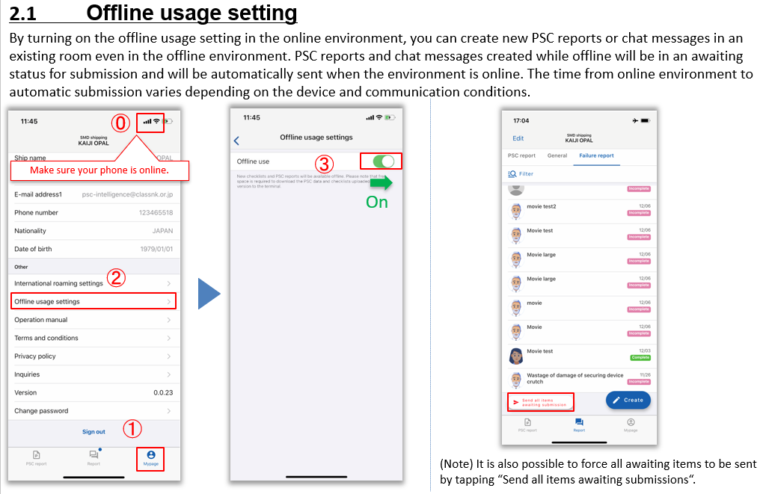

No.4
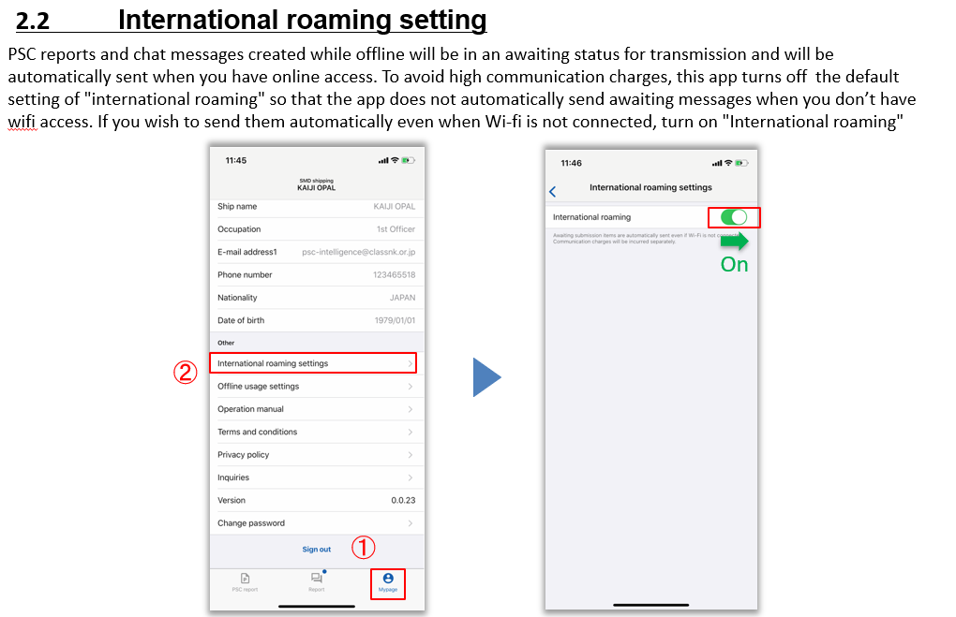

No.6
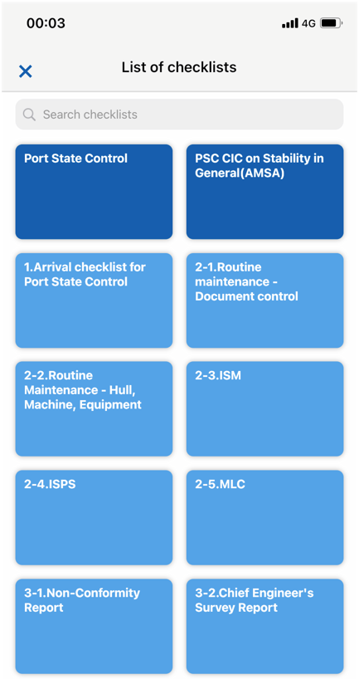

Checklist provided by NK.
Provides a checklist common to all users, like CICs. Editing & deletion by the user is not possible.

①
②
Checklists created by users on the PC version. It can be deleted and edited by the user. As default, ①Arrival Checklist For PSC and ②Good Maintenance Checklist on the Society's website can be used.

②
②

②
②

No.7
